Critical point OVH St.Motor
PT. SAPTAINDRA SEJATI
Narogong Rebuild Center
 |  |  | HAL HAL PENTING YANG HARUS DIPERHATIKAN |  |  | UNIT MODEL
 |  |  | DALAM PELAKSANAAN OVERHAUL |  |  | ENGINE MODEL
 |  |  | STARTING MOTOR |  |  | COMPONENT
 |  |  |  |  |  | LANGKAH KERJA | WASHING
NO
TANGGAL

NO | SUB |  |  | CRITICAL | KEMUNGKINAN TROUBLE | KEBUTUHAN
 | COMPONENT |  |  | ITEM | YANG AKAN TERJADI | SARAN - SARAN

1 | FIELD COIL DAN ARMATURE COIL |  |  | - TAHANAN ISOLASI | Bila terjadi keruskan tahanan tahanan isolasi bisa mengakibatkan short circuit dan susah start | 1. Saat melakukan pencucian coil agar menggunakan cairan yang sesuai.

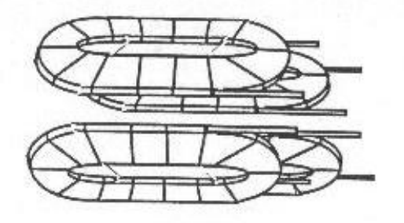
 |  |  |  |  |  | Cairan pembersih :
 |  |  |  |  |  | Electric Cleaner Chorium

 |  |  |  |  |  | 2. Setiap overhaul lapisi kembali coil dengan cairaan sirlak.

 |  | FIELD COIL

 |  |  |  |  |  | Cairan sirlak :

 |  |  |  |  |  | Chorium 202 red
 |  |  |  |  |  | IMP 742 Electric motor varnish

 |  | ARMATURE

PT. SAPTAINDRA SEJATI
Narogong Rebuild Center
 |  |  | HAL HAL PENTING YANG HARUS DIPERHATIKAN |  |  | UNIT MODEL
 |  |  | DALAM PELAKSANAAN OVERHAUL |  |  | ENGINE MODEL
 |  |  | STARTING MOTOR |  |  | COMPONENT
 |  |  |  |  |  | LANGKAH KERJA | MEASUREMENT
NO
TANGGAL

NO | SUB |  |  | CRITICAL | KEMUNGKINAN TROUBLE | KEBUTUHAN
 | COMPONENT |  |  | ITEM | YANG AKAN TERJADI | SARAN - SARAN
 |  |  |  | 1. Bending Shaft | - Armatur Jamed | - Ukur bending shaft armature
2 | ARMATURE ASS'Y |  |  |  | - Noise | Starndart | max 0.05 mm
 |  |  |  |  | - Armature dan field coil | Alat ukur : | - H Block
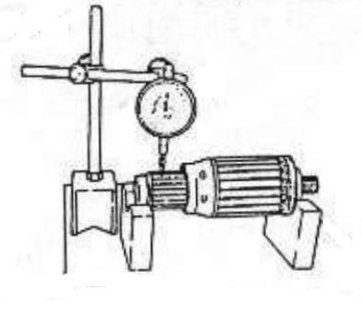
 |  |  |  |  | rusak |  | - Dial gauge
 |  |  |  |  |  | - Bila tidak standart ganti baru

 |  |  |  | 2. Comutator | -Susah Start | - Ukur diameter commutator
 |  |  |  | - Diameter | - Sering terjadi bunga api | Starndart | 43 mm
 |  |  |  | - Deflection | - Brush cepat habis | - Ukur Deflection Commutator
 |  |  |  | - Depth Undercut | - Commutator cepat rusak | Starndart | max 0.1 mm
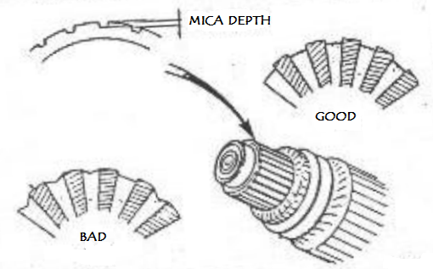
 |  |  |  |  |  | Bila deflection tidak standart dapat di
 |  |  |  |  |  | repair dengan mesin bubut
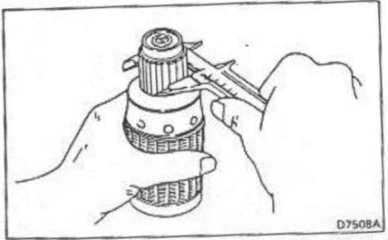
 |  |  |  |  |  | - Bersihkan depth undercut dengan
 |  |  |  |  |  | menggunakan bahan nonlogam (bambu,
 |  |  |  |  |  | kayu, dll)
 |  |  |  |  |  | - Ukur Depth undercut
 |  |  |  |  |  | STANDART | LIMIT
 |  |  |  |  |  | 0,5 - 0.8 mm | 0,2 mm
 |  |  |  |  |  | - Bila tidak standart ganti baru

PT. SAPTAINDRA SEJATI
Narogong Rebuild Center
 |  |  | HAL HAL PENTING YANG HARUS DIPERHATIKAN |  |  | UNIT MODEL
 |  |  | DALAM PELAKSANAAN OVERHAUL |  |  | ENGINE MODEL
 |  |  | STARTING MOTOR |  |  | COMPONENT
 |  |  |  |  |  | LANGKAH KERJA | MEASUREMENT
NO
TANGGAL

NO | SUB |  |  | CRITICAL | KEMUNGKINAN TROUBLE | KEBUTUHAN
 | COMPONENT |  |  | ITEM | YANG AKAN TERJADI | SARAN - SARAN
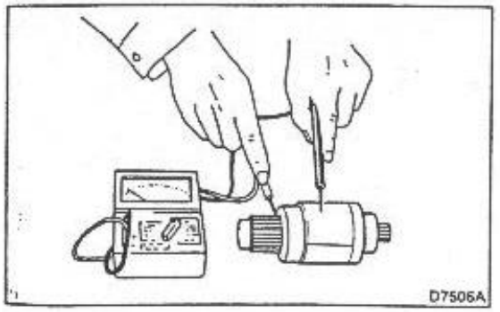
 |  |  |  | 3. Tahanan isolasi dan | - Susah start | - Perhatikan secara fisik kondisi sirlak
 |  |  |  | layer insulasi | - Armature tidak bisa | pada coil armature
 |  |  |  |  | berputar | - Ukur tahanan isolasinya
 |  |  |  |  | - Armature bisa terbakar | Alat Ukur | Standart
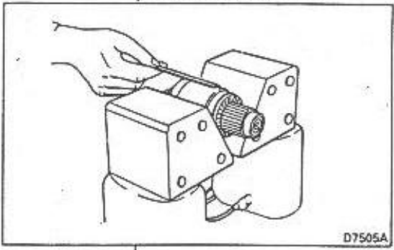
 |  |  |  |  |  | Ohm meter | min. 0,5 M ohm
 |  |  |  |  |  | - Bila tidak standart coba hembuskan udara panas pada armature coil. Ulangi pengukuran tahanan isolasinya. Bila masih tidak standart ganti baru

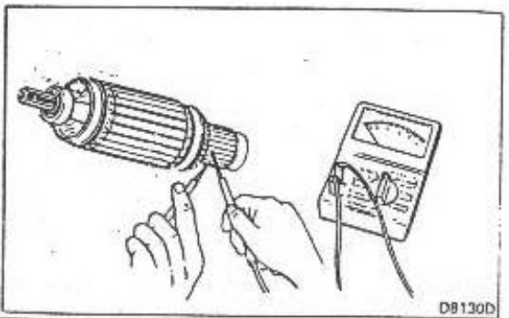
 |  |  |  |  |  | - Test dengan GROWLER TESTER
 |  |  |  |  |  | Bila ditemukan ketidaknormalan pada coil Armature, harus diganti

 |  |  |  | 4. Tahanan Coil | - Tidak kuat untuk start | - Ukur tahanan antar segment commutator
 |  |  |  |  | - Armature tidak bisa
 |  |  |  |  | berputar | STANDART | TERHUBUNG
 |  |  |  |  | - Armature bisa terbakar | Bila ada yang terputus, ganti baru

PT. SAPTAINDRA SEJATI
Narogong Rebuild Center
 |  |  | HAL HAL PENTING YANG HARUS DIPERHATIKAN |  |  | UNIT MODEL
 |  |  | DALAM PELAKSANAAN OVERHAUL |  |  | ENGINE MODEL
 |  |  | STARTING MOTOR |  |  | COMPONENT
 |  |  |  |  |  | LANGKAH KERJA | MEASUREMENT
NO
TANGGAL

NO | SUB |  |  | CRITICAL | KEMUNGKINAN TROUBLE | KEBUTUHAN
 | COMPONENT |  |  | ITEM | YANG AKAN TERJADI | SARAN - SARAN

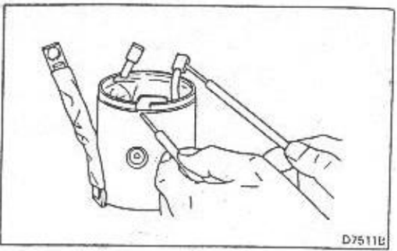
3 | FIELD COIL ASS'Y |  |  | 3. Tahanan isolasi dan | - Tidak kuat untuk start | - Perhatikan secara fisik kondisi sirlak
 |  |  |  | layer insulasi | - Field coil terbakar | pada field coil
 |  |  |  |  |  | - Ukur tahanan isolasinya
 |  |  |  |  |  | Alat Ukur | Standart
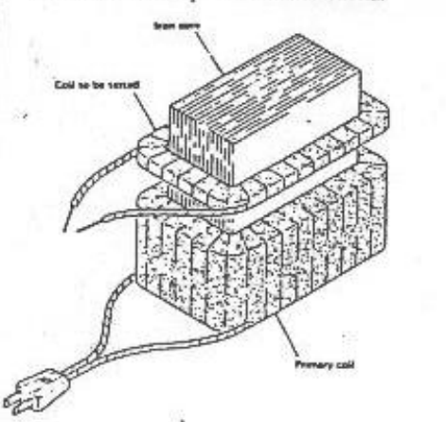
 |  |  |  |  |  | Ohm meter | min. 0,5 M ohm
 |  |  |  |  |  | - Bila tidak standart coba hembuskan udara panas pada armature coil. Ulangi pengukuran tahanan isolasinya. Bila masih tidak standart ganti baru

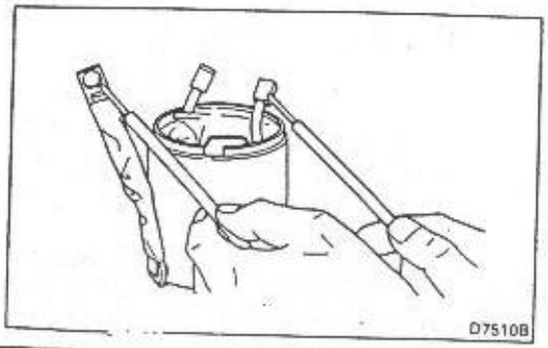
 |  |  |  |  |  | - Test dengan Transformer Tester
 |  |  |  |  |  | Bila ditemukan ketidaknormalan pada coil , (field coil bergerak) Field coil harus diganti

 |  |  |  | 4. Tahanan Coil | - Tidak kuat untuk start | - Ukur tahanan antar ujung terminal masing masing field coil
 |  |  |  |  | - Field coil terbakar
 |  |  |  |  |  | STANDART | +/- 43 Ohm
 |  |  |  |  |  | Bila ada yang terputus, ganti baru

PT. SAPTAINDRA SEJATI
Narogong Rebuild Center
 |  |  | HAL HAL PENTING YANG HARUS DIPERHATIKAN |  |  | UNIT MODEL
 |  |  | DALAM PELAKSANAAN OVERHAUL |  |  | ENGINE MODEL
 |  |  | STARTING MOTOR |  |  | COMPONENT
 |  |  |  |  |  | LANGKAH KERJA | ASSEMBLING
NO
TANGGAL

NO | SUB |  |  | CRITICAL | KEMUNGKINAN TROUBLE | KEBUTUHAN
 | COMPONENT |  |  | ITEM | YANG AKAN TERJADI | SARAN - SARAN

4 | SHIFT LEVER ASS'Y |  |  | - Posisi pemasangan Lever | - Bila pemasangan shift lever terbalik , pada saat start, langkah pergerakan pinion starting motor tidak bisa maksimum. Sehingga tooth contact antara pinion gear dan ring gear fly wheel tidak sempurna. | 1. Pada saat melakukan assembling agar diperhatikan mark arah panah pada lever.

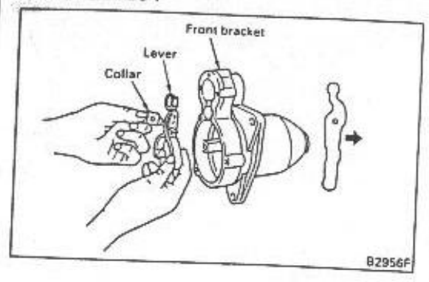
 |  |  |  |  |  | Standart Arah Panah : Searah Pergerakan Shaft Magnetig Switch

 |  |  |  |  |  | (lihat gambar)

Critical point OVH Alternator
PT. SAPTAINDRA SEJATI
Narogong Rebuild Center
 |  | HAL HAL PENTING YANG HARUS DIPERHATIKAN |  |  | UNIT MODEL | ALL MODEL
 |  | DALAM PELAKSANAAN OVERHAUL |  |  | ENGINE MODEL
 |  | ALTERNATOR |  |  | COMPONENT | BRUSHLESS ALT
 |  |  |  |  | LANGKAH KERJA | MEASUREMENT
NO
TANGGAL

NO | SUB |  | CRITICAL | KEMUNGKINAN TROUBLE | KEBUTUHAN
 | COMPONENT |  | ITEM | YANG AKAN TERJADI | SARAN - SARAN
 |  |  |  |  | 1. Saat repair perhatikan tahanan isolasi rotor coil
1 | STATOR COIL |  | - TAHANAN ISOLASI | - Short circuit | 2. Cara pengukuran tahanan osolasi
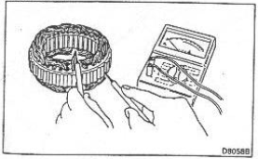
 |  |  |  | - Tidak bisa charging | lepas ujung ujung coil dari sambungan ke dioda.
 |  |  |  | - Panas | 3. Standar tahanan isolasi
 |  |  |  |  | Terminal | Standar
 |  |  |  |  | R - Bodi | min, 0.5 Mohm
 |  |  |  |  | S - Bodi | min, 0.5 Mohm
 |  |  |  |  | T - Bodi | min, 0.5 Mohm
 |  |  |  |  | 4. Bila hasil pengukuran dibawah standar, coba
 |  |  |  |  | hembuskan udara panas pada rotor coil
 |  |  |  |  | 5. Bila hasil pengukuran masih dibawah standar
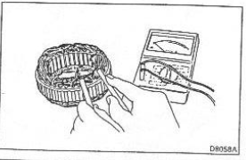
 |  |  |  |  | rotor coil harus diganti
 |  |  |  |  | 6. Alat ukur : Megger test 500 V

 |  |  |  |  | 1. Cara pengukuran tahanan coil :
 |  |  |  |  | Lepas ujung-ujung coil dari sambungan ke dioda
 |  |  |  |  | Terminal | Standar
 |  |  |  |  | R - S
 |  |  |  |  | R - T
 |  |  |  |  | S - T
 |  |  |  |  | 3. Bila tidak standar ganti baru.

PT. SAPTAINDRA SEJATI
Narogong Rebuild Center
 |  | HAL HAL PENTING YANG HARUS DIPERHATIKAN |  |  | UNIT MODEL | ALL MODEL
 |  | DALAM PELAKSANAAN OVERHAUL |  |  | ENGINE MODEL
 |  | ALTERNATOR |  |  | COMPONENT | BRUSHLESS ALT
 |  |  |  |  | LANGKAH KERJA | MEASUREMENT
NO
TANGGAL

NO | SUB |  | CRITICAL | KEMUNGKINAN TROUBLE | KEBUTUHAN
 | COMPONENT |  | ITEM | YANG AKAN TERJADI | SARAN - SARAN
 |  |  | 1. Bending Shaft | - Menyentuh stator coil | 1. Ukur bending shaft seperti terlihat pada gambar.
2 | ROTOT |  | rotor | field coil sehingga coil bisa | 2. Standar bending shaft :
 |  |  |  | rusak
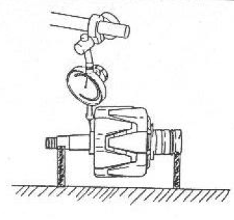
 |  |  |  | - Bearing rusak / jammed | Standar | 0.1 mm
 |  |  |  | -Noise
 |  |  |  |  | 3. Bila hasil pengukuran tidak standar
 |  |  |  |  | shaft harus diganti.
 |  |  |  |  | 4. Alat ukuyang digunakan
 |  |  |  |  | - Dial gauge
 |  |  |  |  | - Center Blok

PT. SAPTAINDRA SEJATI
Narogong Rebuild Center
 |  | HAL HAL PENTING YANG HARUS DIPERHATIKAN |  |  | UNIT MODEL | ALL MODEL
 |  | DALAM PELAKSANAAN OVERHAUL |  |  | ENGINE MODEL
 |  | ALTERNATOR |  |  | COMPONENT | BRUSHLESS ALT
 |  |  |  |  | LANGKAH KERJA | MEASUREMENT
NO
TANGGAL

NO | SUB |  | CRITICAL | KEMUNGKINAN TROUBLE | KEBUTUHAN
 | COMPONENT |  | ITEM | YANG AKAN TERJADI | SARAN - SARAN

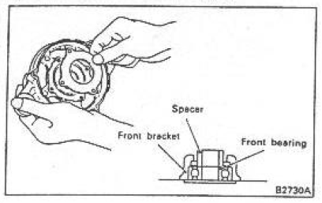
3 | FRONT BRACKET DAN REAR BRACKET |  | 1. Dudukan bearing | - Noise | 1. Ukur diameter tempat dudukan bearing.
 |  |  |  | - Bearing rusak / jammed | 2. Standar diameter
 |  |  |  | - Rusaknya komponen lain | Clearance between | Limit
 |  |  |  |  | Shaft & inner race | 0.05 mm
 |  |  |  |  | Bracket & outer race | 0.1 mm

 |  |  |  |  | 3. Bila hasil pengukuran tidak standar
 |  |  |  |  | repair shaft atau bracket.
 |  |  |  |  | 4. Alat ukur yang digunakan :
 |  |  |  |  | - Inside diameter

PT. SAPTAINDRA SEJATI
Narogong Rebuild Center
 |  | HAL HAL PENTING YANG HARUS DIPERHATIKAN |  |  | UNIT MODEL | ALL MODEL
 |  | DALAM PELAKSANAAN OVERHAUL |  |  | ENGINE MODEL
 |  | ALTERNATOR |  |  | COMPONENT | BRUSHLESS ALT
 |  |  |  |  | LANGKAH KERJA | MEASUREMENT
NO
TANGGAL

NO | SUB |  | CRITICAL | KEMUNGKINAN TROUBLE | KEBUTUHAN
 | COMPONENT |  | ITEM | YANG AKAN TERJADI | SARAN - SARAN

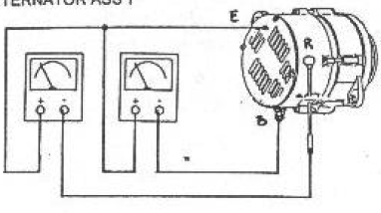
4 | ALTERNATOR ASS'Y |  | - Voltage antara | - Tidak bisa start | 1. Saat setelah pemasangan alternator di unit
 |  |  | terinal B dan R | - Tidak bisa charging | ukur terminal B dan R.
 |  |  |  |  | 2. Standar voltage dengan posisi Starting switch ON
 |  |  |  |  | Terminal | Voltage
 |  |  |  |  | B - E | 24 VDC (Volt. Battery)
 |  |  |  |  | R - E | +/- 6 VDC

 |  |  |  |  | 3. Bila tegangan R -E = 24 VDC kondisi R1 rusak
 |  |  |  |  | regulator harus diganti

PT. SAPTAINDRA SEJATI
Narogong Rebuild Center
 |  | HAL HAL PENTING YANG HARUS DIPERHATIKAN |  |  | UNIT MODEL | ALL MODEL
 |  | DALAM PELAKSANAAN OVERHAUL |  |  | ENGINE MODEL
 |  | ALTERNATOR |  |  | COMPONENT | BRUSHLESS ALT
 |  |  |  |  | LANGKAH KERJA | ASSEMBLING
NO
TANGGAL

NO | SUB |  | CRITICAL | KEMUNGKINAN TROUBLE | KEBUTUHAN
 | COMPONENT |  | ITEM | YANG AKAN TERJADI | SARAN - SARAN

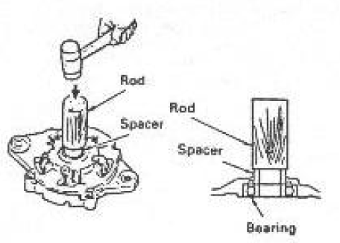
5 | FRONT BRACKET AND REAR BRACKET |  | - Dudukan bearing | - Bearing akan slip / ikut | 1. Saat assembling tidak boleh memberikan grease dan oli pada bearing ataupun pada bracket front serta rear bracket.
 |  |  |  | berputar bersama sama
 |  |  |  | dengan rotor shaft, dan
 |  |  |  | dapat menyebabkan | 2. Pasang bearing pada tempatnya dengan hat- hati kerena bracket terbuat dari campuran aluminium.
 |  |  |  | kerusakan pada front dan
 |  |  |  | rear bracket

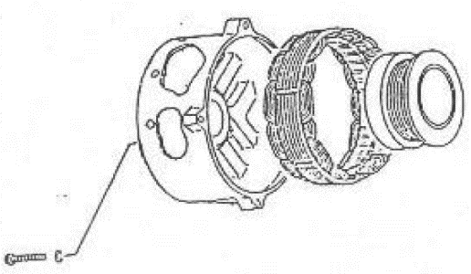
6 | FIELD COIL ASS'Y |  | - Alignment pemasa- | 1. Bila tidak center akan | 1. Saat assemblig permukaan dudukan field coil harus bersih, kering dan rata untuk mencegah terjadinya kemiringan field coil dengan rotor shaft sangat kecil.
 |  |  | sangan field coil. | menimbulkan gesekan
 |  |  |  | antara field coil ass'y
 |  |  |  | dengan rotor shaft. | 2. Kekencangan bolt pengikat field coil harus benar-benar rata untuk semua bolt.
 |  |  |  | 2. Noise
 |  |  |  |  | 3. Standar torque Bolt :
 |  |  |  |  | Standar | ……………………………….Kgm

PT. SAPTAINDRA SEJATI
Narogong Rebuild Center
 |  | HAL HAL PENTING YANG HARUS DIPERHATIKAN |  |  | UNIT MODEL | ALL MODEL
 |  | DALAM PELAKSANAAN OVERHAUL |  |  | ENGINE MODEL
 |  | ALTERNATOR |  |  | COMPONENT | BRUSHLESS ALT
 |  |  |  |  | LANGKAH KERJA | ASSEMBLING
NO
TANGGAL

NO | SUB |  | CRITICAL | KEMUNGKINAN TROUBLE | KEBUTUHAN
 | COMPONENT |  | ITEM | YANG AKAN TERJADI | SARAN - SARAN

7 | RECTIFIER ASS'Y |  | 1. Polaritas dalam bracket Rectifier | 1. Bila salah penempatan polaritas akan menyebakan tidak bisa charging. | 1. Perhatikan polaritas battery pada alat ukur AVO meter.

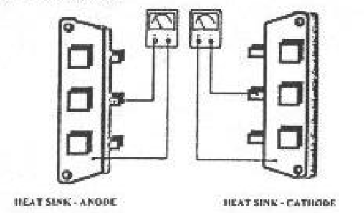
 |  |  |  |  |  | Polaritas alat ukur
 |  |  |  | 2. Bisa menyebabkan short | Standar alat uker | Lead | Battery
 |  |  |  | circuit. | JIS | (-) | (+)
 |  |  |  | 3. terbalik dalam pemasangan. |  | (+) | (-)
 |  |  |  |  | SAE | (-) | (-)
 |  |  |  |  |  | (+) | (+)
 |  |  |  |  | 2. Dalam menentukan heatshink dudukan katoda dan anoda terlihat seperti gambar
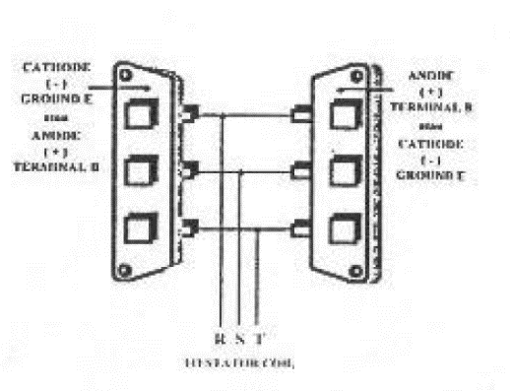
 |  |  |  |  | 3. Misal kita pakai alat ukur standar JIS.
 |  |  |  |  | lead- dioda | Alat ukur | Polaritas
 |  |  |  |  | (-) - ujung terminal | 0 | anoda
 |  |  |  |  | (+) - bodi dioda |  | katoda
 |  |  |  |  | (+) - ujung terminal | 0 | katoda
 |  |  |  |  | (-) - bodi dioda |  | anoda
 |  |  |  |  | 4. Untuk pemasangannya, dalam satu pasang dioda ujung terminal berporalitas anoda harus bertemu dengan ujung terminal berpolaritas katoda

 |  |  |  |  | 5. Pertemuan ujung dioda ini disambungkan dengan ujung stator coil (R-S-T)

PT. SAPTAINDRA SEJATI
Narogong Rebuild Center
 |  | HAL HAL PENTING YANG HARUS DIPERHATIKAN |  |  | UNIT MODEL | ALL MODEL
 |  | DALAM PELAKSANAAN OVERHAUL |  |  | ENGINE MODEL
 |  | ALTERNATOR |  |  | COMPONENT | BRUSHLESS ALT
 |  |  |  |  | LANGKAH KERJA | ASSEMBLING
NO
TANGGAL

NO | SUB |  | CRITICAL | KEMUNGKINAN TROUBLE | KEBUTUHAN
 | COMPONENT |  | ITEM | YANG AKAN TERJADI | SARAN - SARAN

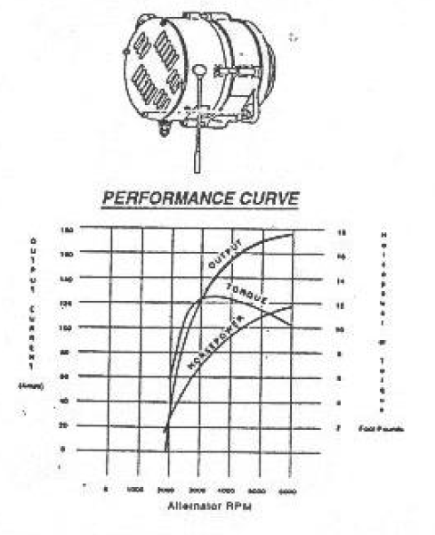
8 | ALTERNATOR ASS'Y |  | - Kapasitas | - Alternator panas | 1. Perhatikan kapasitas alternstor dan besarnya beban yang ada.
 |  |  |  | - Alternator tidak bisa
 |  |  |  | charging
 |  |  |  |  | 2. Beban maksimum yang diijinkan :
 |  |  |  |  | (kapasitas Alternator x 80%) - 20 Amp
 |  |  |  |  | Note :
 |  |  |  |  | Arus pengisian untuk battery kapasitas 200 AH
 |  |  |  |  | adalah 20 Amp
 |  |  |  |  | 3. Beban maksimum yang diijinkan
 |  |  |  |  | (kapasitas Alternator x 80%) - 14 Amp
 |  |  |  |  | Note :
 |  |  |  |  | Arus pengisian untuk battery kapasitas 150 AH
 |  |  |  |  | atau 120 AH adalah 14 Amp.

Checksheet St. Motor
PT. SAPTAINDRA SEJATI
Narogong Rebuild Center
ASSEMBLY CHECK SHEET
STARTING MOTOR

WO NUMBER |  |  |  | PART NAME | STARTING MOTOR |  |  | DOCUMENT NO
ENGINE MODEL |  |  |  | PART NUMBER |  |  |  | PUBLISHED DATE
ENGINE S/N |  |  |  | START DATE / TIME |  |  |  | REVISION NO
MACHINE MODEL |  |  |  | FINISH DATE / TIME |  |  |  | PAGE

ASSEMBLY BY |  |  |  |  |  |  |  | All dimensions in millimetres
 |  |  |  |  |  |  |  | All torques in Kilogram metres

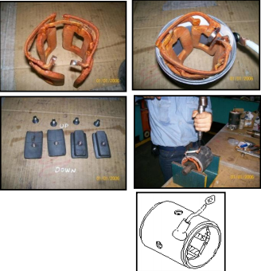
NO. | PART | CONDITIONS TO BE CHECKED |  |  |  | SPEC | Sign |  |  | REMARKS
 |  |  |  |  |  |  | Mec | QA | SPV | (SKETCH, PHOTOES, COMMENTS)
1 | Field coil ass'y | - Confirm that yoke ass'y are free from foreign matter
 |  | crack, and ovalness
 |  | - Check O-ring seat
 |  | - Check coil by using insulation resistance tester
 |  | confirm that coil doesn't conect with yoke
 |  | - Check coil from insulation
 |  | - Check terminal condition
 |  | ₪ Using multimeter
 |  |  | Actual : Ω |  |  | Min 250 Ω
 |  | ₪ Using megger position 500 V 1000 MW
 |  |  | Actual : Ω |  |  | Min 500 Ω

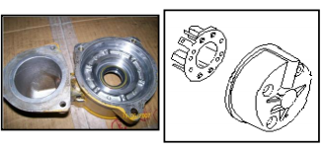
2 |  | - Bracket must free from foreign matters, crack
 | Front Bracket | and ovalness
 | Center Bracket | - Check contact bearing from ovalness
 | and | - Check dowel seat and dowel
 | Rear Bracket | - Check O-ring seat and seal

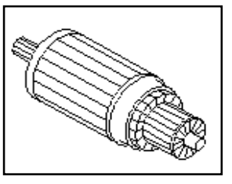
3 | Armature | - Armature must free from foreign matters, corrosion
 |  | crack, and bend.
 |  | - Check bearing seat measure again/ check.
 |  | - Armature by using insulation resistance tester.
 |  |  | Actual : Ω |  |  | Min 500 Ω
 |  | - Confirm that coil doesn't contact with shaft core
 |  | fin/ body
 |  | - Check and measured diameter contact brushes |  |  |  | std limit
 |  |  | Actual : Ω |  |  | 42 mm
 |  | - Check groove must be free from foreign dust

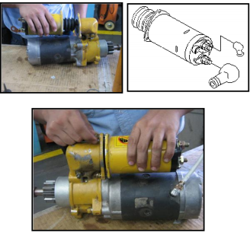
4 | Magnetic Switch | - Magnetic switch must free from foreign matters,
 |  | corrosion crack, and damage
 |  | - Check all tread, hole tread and stud tread
 |  | - Check magnetic switch function after repair, with
 |  | condition : Battery 24 V
 |  | - Terminal M - (-) Battery
 |  | - Terminal C - (+) Battery
 |  | - Body - (-) Battery
 |  | - using multimeter position Voltmeter measured
 |  | - Terminal : B - M |  |  |  | Contact

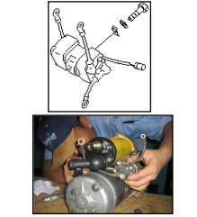
5 | Safety relay switch | - Safety relay must be free from foreign matter,
 |  | crack and damage
 |  | - Check cables in terminal, confirm that coil
 |  | - check all tread hole tread and stud tread
 |  | - Check safety relay switch switch function
 |  | by using lamp :
 |  | - Terminal BSR - (+) Battery
 |  | - Terminal ESR - (-) Battery
 |  | - Terminal CSR - (+) Lamp
 |  | - Terminal (-) Battery - (-) Lamp
 |  | - Measured by :
 |  | - Terminal SSR - (+) Battery |  |  |  | Lampu ON
 |  | - Terminal RSR - (-) Battery |  |  |  | Lampu OFF

6 | Lever Shift Ass'y | - Confirm that Lever shift ass'y is clean, no crack
 |  | and worn
 |  | - Check lever shift ass'y function
 |  | - Install the lever cam
 |  | - Check position lever code ( ) is true

7 | Over running clutch ass'y
 |  | - Check it from foreign matter, crack and damage
 |  | - Check gear from pitting and crack
 |  | - Check the rotation (open phase)

8 | Other Part | - Check other part condition, e.g. Bearing, seal, shim
 |  | o-ring, bolt, washer, bushing, ect.

9 | ASS Armature | - Install bering in armature by using adequate tools
 |  | - Check the bearing rotation

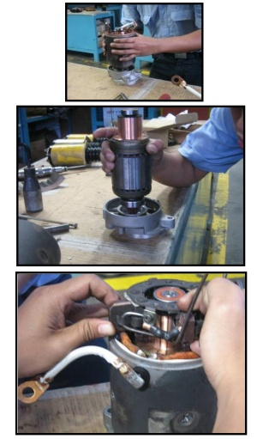
10 | ASS Motor Ass'y | - Install Armature in center bracket
 |  | - Install o-ring in center bracket that relate with yoke
 |  | - Install brush in coil with yoke
 |  | - Install yoke in center bracket and check O-Ring
 |  | seat
 |  | - Install Brush in holder brush.
 |  | - Install holder brush assy on Armature
 |  | - Install brush on coil yoke to holder brush and
 |  | check its contact on Armature
 |  | - Install o-ring on yoke that contact with rear bracket
 |  | - Install rear bracket
 |  | - Check mark on yoke and rear bracket
 |  | - Install o-ring in holder brush bolt and O-Ring in
 |  | rear bracket bolt
 |  | - Install bolt in rear bracket than tighten
 |  | - Test Armature rotation and confirm it.
 |  | - Test rotation by using 2 x 24V200AH battery
 |  | - Install cable (-) in body
 |  | - Install cable (+) in cable terminal (-)
 |  | - Confirm that motor rotation is smooth.

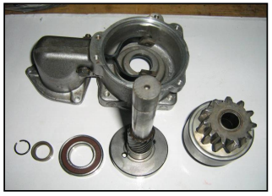
11 | Center Bracket Assembly | - Install oil seal in center bracket A
 |  | - Install bearing in center shaft
 |  | - Install shift lever in center bracket A, install seal
 |  | in shift lever tightening bolt
 |  | - Install gear clutch over running in bracket center A
 |  | that linked in lever, and put in shaft center that
 |  | has been install with bearing (Bearing with LT 2)
 |  | - Install stopper pinion and put in ring clip.

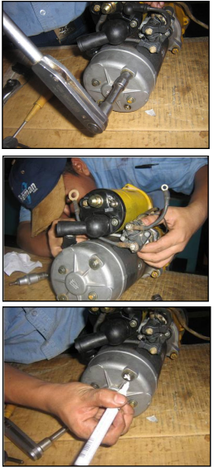
12 | Starting Motor Assembly | - Install shim un center bracket
 |  | - Install O-Ring in center bracket
 |  | - Connect center bracket A that has been
 |  | assembled in motor assy than install bolt and
 |  | tighten with allen key.
 |  |  | Actual : Kgm

 |  | - Check rotation by rotating center shaft.
 |  | - Install magnetic switch and tighten bolt with
 |  | L-Shaped
 |  |  | Actual : Kgm

 |  | - Confirm that stud adjuster has connected with
 |  | shift lever.
 |  | - Install yoke cable (+) in terminal (M) Magnetic
 |  | switch and tighten nut
 |  | - Mark cap in magnetic switch
 |  | - Install safety relay in magnetic switch
 |  | Note :
 |  | - Confirm starting motor position (left or right)
 |  | - Tighten safety relay tightening bolt
 |  |  | Actual : Kgm

 |  | - Install cable (B) from Safety Relay to terminal (B)
 |  | - Magnetic Switch than tighten nut
 |  | - Install cable (C) from Safety Relay to terminal ©
 |  | - Magnetic Switch and mark cap on connector
 |  | than thighten nut
 |  | - Install cable (-) from Safety Relay through
 |  | mounting bolt magnetic switch and tighten bolt

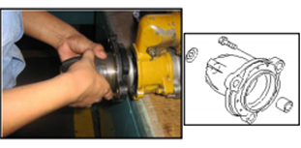
13 | Front Bracket | - Install o-ring in front bracket
 |  | - Install front bracket assembly in center bracket A
 |  | - Confirm that seat condition.

 |  | Note :
 |  | - Confirm starting motor position (Left or right)
 |  | - Install bolt and tighten
 |  |  | Actual : Kgm

14 | Starting Motor Testing | - Install battery cable (+) on magnetic switch
 |  | terminal (B).
 |  | - Install battery cable (-) on starting motor body
 |  | terminal.
 |  | - Install safety relay contactor, confirm that the
 |  | starting motor is good and rotating smoothly

15 | Final Inspection
 |  | - Check all bolt and mark "X"
 |  | - Mark JO No. in Starting Motor Body
 |  | - Replace Starting Motor Name Plate with
 |  | *SIS Naro Startng Motor Name Plate.

Notes :

ASSEMBLY BY |  |  |  | INSPECTION & APPROVED BY

MECHANIC (MEC) |  |  |  |  | QUALITY ASSURANCE (QA) |  |  |  | PROD. SUPERVISOR (SPV)

Checksheet testing St. Motor
PT. SAPTAINDRA SEJATI
Narogong Rebuild Center
 | STARTING MOTOR TEST REPORT |  |  |  |  |  |  | DOCUMENT NO. |  |  |  |  | #NAME?
 |  |  |  |  |  |  |  | PUBLICATION DATE
 |  |  |  |  |  |  |  | REVISION NO.
 |  |  |  |  |  |  |  | PAGE

 | WO NO |  |  |  |  |  |  | STARTING MOTOR MODEL
 | UNIT CODE |  |  |  |  |  |  | STARTING MOTOR SER. NO
 | ENGINE MODEL |  |  |  |  |  |  | TEST DATE
 | ENGINE S/N |  |  |  |  |  |  | TESTED BY
A. DATA STANDARD
 | Nominal Output |  |  |  | 2.0 kW | 3.5 kW | 4.5 kW |  | 5.2 kW | 7.5 kW | 11 kW | Remarks
 |  | Standard power supply ( V ) |  |  | 12 | 24
 |  | Continuous run rating ( Sec.) |  |  | 30
 |  | Direction of rotation (as viewed from pinion side) |  |  | Clockwise
 |  | Grounding |  |  | Negative side grounded
 |  |  | Input voltage (V) | 12 |  | 24
 |  |  | Rated output | Ampere | 65 A max. | 70 A max. | 70 A max. |  | 70 A max. | 100 A max.
 |  |  |  | Motor Rpm after reduce | 4500 rpm minimum | 8000 rpm minimum | 10000 rpm minimum |  | 6000 rpm minimum | 5000 rpm minimum |  | Reducing gear 31:9 = 3.44 Std Rpm = Test bench Rpm x 3.44 Note : Rpm of Test bench must be read x 10
 |  |  | Input/ Torque |  | OA/12V ~700A/8V 1.1 kgm (10.7877 Nm) | OA/24V ~700A/12 V 1.3 kgm (12.7491 Nm) | OA/24V ~800A/15V 1.5 kgm (14.7105 Nm) |  | OA/24V ~800A/15V 2.1 kgm (20.5947 Nm) | OA/24V ~ 700A/20V 3.5 kgm (34.32345 Nm) | OA/24V ~ 700A/20V 6 kgm (58.8420 Nm)
 |  |  | Rated output | Ampere | 325 A | A max. | 325 A max. |  | 390 A max. | 550 A max. | 820 A max.
 |  |  |  | Rpm test bench | 1600 rpm min. | 2650 rpm min. | 2600 rpm min. |  | 1900 rpm min. | 1500 rpm min. | 1200 rpm min.
 |  |  | Input | Ampere/Volt age | OA/12V ~700A/8V | OA/24V ~700A/12 V | OA/4V ~800A/15V |  | OA/24V ~800A/15V | OA/24V ~700A/20V
 |  |  | Rated output | Ampere | 960 A | A max. | 1005 A/max. |  | 1020 A max. | 1680 A max. | 2380 A max,
 |  |  |  | Torque | 4.0 kgm (39.2280 Nm) min. | 3.75 kgm (36.77625 Nm) min. | 6.6 kgm ( 64.7262 Nm) min. |  | 7.1 kgm (69.6297 Nm) min. | 13.8 kgm (135.3366 Nm) min. | 21.2 kgm (207.9084 Nm) min.

Checksheet testing St. Motor.
PT. SAPTAINDRA SEJATI
Narogong Rebuild Center
 | STARTING MOTOR TEST REPORT |  |  |  |  | DOCUMENT NO.
 |  |  |  |  |  | PUBLICATION DATE
 |  |  |  |  |  | REVISION NO.
 |  |  |  |  |  | PAGE

 | WO NO |  |  |  |  | STARTING MOTOR MODEL
 | UNIT CODE |  |  |  |  | STARTING MOTOR SER. NO
 | ENGINE MODEL |  |  |  |  | TEST DATE
 | ENGINE S/N |  |  |  |  | TESTED BY
B. TEST RUNNING UPPER SIDE
 | NO | CONDITION |  | POWER SUPPLY VOLTAGE (V) | AMPERE (A) |  | TACHO METER (Rpm)
 | 1 | Starting switch ON
 | 2 | Running NO LOAD
 | 3 | Check abnormal noise
LOWER SIDE
 | NO | CONDITION |  | POWER SUPPLY VOLTAGE (V) | AMPERE (A) |  | TACHO METER (Rpm)
 | 1 | Starting switch ON
 | 2 | Running NO LOAD
 | 3 | Check abnormal noise
C. TEST PERFORMANCE
Test time : 30 sec.
UPPER SIDE
 | CONDITION |  | TACHO METER (Rpm) | VOLTAGE (V) | AMPERE (A) |  | TORQUE (Nm)
 | TEST LOAD |  | 1500
LOWER SIDE
 | CONDITION |  | TACHO METER (Rpm) | VOLTAGE (V) | AMPERE (A) |  | TORQUE (Nm)
 | TEST LOAD |  | 1500

 | Notes :

TESTED BY
MECHANIC (MEC)
INSPECTION BY
QUALITY ASSURANCE (QA)
APPROVED BY
PROD. SUPERVISOR (SPV)

Checksheet Alternator
PT. SAPTAINDRA SEJATI
Narogong Rebuild Center
ASSEMBLY CHECK SHEET
ALTERNATOR

WO NUMBER |  |  |  |  | PART NAME | ALTERNATOR |  |  | DOCUMENT NO
UNIT CODE |  |  |  |  | PART NUMBER |  |  |  | PUBLISHED DATE
ENGINE MODEL |  |  |  |  | START DATE / TIME |  |  |  | REVISION NO
ENGINE S/N |  |  |  |  | FINISH DATE / TIME |  |  |  | PAGE

Before assembly , wash and clean all parts , check for dirt or damage coat the sliding and rotating surfaces of all parts with engine oil and coat seal ring with grease (G2-L1) before installing.

ASSEMBLY BY |  |  |  |  |  |  |  |  | All dimensions in millimetres
 |  |  |  |  |  |  |  |  | All torques in Kilogram metres

NO. | PART | CHECK POINT | CONDITIONS TO BE CHECKED |  |  |  | SPEC | Sign |  |  | REMARKS
 |  |  |  |  |  |  |  | Mec | QA | SPV | (SKETCH, PHOTOES, COMMENTS)
1 | Ass'y Rear Cover | Cover | - Confirm that cover are free from dirt, crack,
 |  |  | worn and corrosion
 | Front Cover |  | - Install front cover and make sure that the
 |  |  | position is true, check by spesification.

2 | Fan and Pulley | Pulley | - Confirm that Fan and Pulley are
 |  |  | free from dirt, Crack and corrosion.

 |  |  | - Pulley must be free from worn or scratch

3 | Rotor | Rotor | - Confirm that Rotor is free from dirt,
 |  |  | crack and corrosion

4 | Stator Coil | Coil | - Confirm that Stator Coil is free from
 |  |  | dirt , Corrosion , wire fitting and damage
 |  |  | - Standard Terminal RST : |  |  |  | Min 20 Ω
 |  |  | Actual | Terminal R - Body : MΩ |  |  | use insulation
 |  |  |  | Terminal S - Body : MΩ |  |  | terser
 |  |  |  | Terminal T -Body : MΩ |  |  | (500V/1000MΩ)
 |  |  | Check resistance stator cable for all
 |  |  |  | condition RST.Act : MΩ |  |  | Max 0.5 Ω use
 |  |  |  |  |  |  | multimeter
5 | Field Coil Ass'y | Coil | - Confirm that Field coil is free from
 |  |  | dirt, corrosion , wire fitting and damage
 |  |  | - Standard :
 |  |  |  | Terminal F-Core/body |  |  | Min 20 Ω
 |  |  |  | Terminal N-Core/body |  |  | use insulation
 |  |  | - Actual : |  |  |  | terser
 |  |  |  | Terminal F-Core/body : MΩ |  |  | (500V/1000MΩ)
 |  |  |  | Terminal N-Core/body : MΩ

 |  |  | - Measuring rotor coil by using multimeter (Ω)
 |  |  |  | - Rotor 90A : Ω
 |  |  |  | - Rotor 75A/50A/35A : Ω
 |  |  | - Actual | - Terminal F - N : Ω

6 | All Part | New Part | - Check all part before installed

 |  | Old Part | - Confirm that parts are in good condition
 |  |  | and have been measured before.

7 | Assembly Bracket Rear Ass'y | Coil | - Install coil ass'y in bracket ass'y, srewed and
 |  |  | tighten.
 |  |  | - Be careful contact with body

8 | Regulator Ass'y | Regulator | - Install regulator in Bracket rear
 |  |  | assy, screwed and tighten.
 |  |  | - Check regulator condition by using
 |  |  | multitester.
 |  |  | - Actual :
 |  |  | - Terminal B-R
 |  |  |  | 90A | = Ω
 |  |  |  | 35A/50A/75 = Ω
 |  |  | - Terminal B-E = KΩ
 |  |  | - Terminal R-E = Ω

 |  |  | - Terminal B, R, E (+) to terminal
 |  |  | RST (+). Act. = M Ω
 |  |  | - Terminal B, R, E (-) to terminal
 |  |  | RST (+). Act. = M Ω

 |  |  | - Terminal F - N = M Ω

 |  |  | - Terminal B - F = Ω
 |  |  | R - F = Ω
 |  |  | E - F = K Ω

 |  |  | - Terminal B, R, E to terminal N
 |  |  |  | = | M Ω
 |  |  | - Terminal F (-) to terminal R, S, T (+)
 |  |  |  | = | M Ω
 |  |  | - Terminal F (+) to terminal R, S, T (-)
 |  |  |  | = | M Ω
 |  |  | - Terminal N (-) to terminal R, S, T (+)
 |  |  |  | = | M Ω
 |  |  | - Terminal N (+) to terminal R, S, T (-)
 |  |  |  | = | M Ω

 |  |  | - Install regulator in bracket rear ass'y
 |  |  | - Tighten bolt mounting
 |  |  | - Install regulator cable (-) on regulator
 |  |  | mounting bolt (body)

9 | Stator Coil |  | - Install stator coil on rear bracket.
 |  |  | - Check condition stator coil and make sure that
 |  |  | body contact.

10 | Heat Shink or Rectifier |  | - Install heat sink assy (-) in Bracket
 |  |  | rear connect on RST stator coil and solder.

 |  |  | - Check code heat sink.
 |  |  | - Heat sink (-)

 |  |  | - Heat sink (+)

 |  |  | - Check condition heat sink (+) :
 |  |  | Leat red to plate and leat black to
 |  |  | foot diode not connect and then
 |  |  | leat read to foot diode and leat
 |  |  | black to plate must be connect

 |  |  | - Check condition heat sink (-)
 |  |  | Leat red to plate and leat black to
 |  |  | foot diode must be connect and
 |  |  | then leat read to foot diode and leat
 |  |  | black to plate not connect

 |  |  | - If using multitester manual, position
 |  |  | leat red & black must be change for upper condition.

 |  |  | - Install insulator on Heat Sink (-)

 |  |  | - Install Heat Sink (+) on insulator
 |  |  | Be careful, check condition insulator

 |  |  | - Install Stator coil on Heat Sink (+).

 |  |  | - Install RST cable from regulator to
 |  |  | RST Coil Stator and connect on heat sink (+).

 |  |  | - Install Screw on heat sink assy and tighten it.

 |  |  | - Install cable (+) Regulator on heat
 |  |  | sink (+) and install insulator.

 |  |  | - Install cable (R) regulator on
 |  |  | Terminal R on body that has been installed.

 |  |  | - Installed bolt stud connector (+)
 |  |  | Which Connected on heat sink (+)
 |  |  | by using support and give insulator on stud bolt
 |  |  | to avoid From contact with body

 |  |  | -Install nut on Bolt Stud Connector (+)
 |  |  | and Tighten the nut.

11 | Assembly Front Bracket Ass'y | Seal | - Install seal in Bracket front

 |  | Bearing | - Install bearing in Bracket front |  |  |  | Coat with locktite bearing

 |  | Seal | - Install seal in cover bearing

 |  | O-ring | - Install O-ring in cover

 |  | Cover | - Install cover in Bracket front then
 |  |  | install bolt and tighten. |  |  |  | Using

 |  | Rotor Ass'y | - Install Rotor Assy in Bracket Front |  |  |  | Press
 |  |  | that has Been assembled |  |  |  | Machine
 |  |  | - Install collar , fan , pulley , washer
 |  |  | plate , Spring and nut then tighten.

12 | Assembly Front and Rear Bracket | Front Bracket | - Install Front Bracket Assembly in Rear Bracket

 |  |  | - Install Front Bracket Bolt and rear
 |  |  | bracket then tighten.
 |  |  | Act. : kgm |  |  |  | 0.8 - 1.2 Kgm
 |  |  | - Install cover rear bearing
 |  |  | - Install screw in cover then tighten
 |  |  | - Install cover housing and screwed then Tighten

13 | Alternator Testing |  | - Put Alternator on Test Bench
 |  |  | - Install batteray cable (+) in connector (+) Alternator
 |  |  | - Install batteray cable (-) in connector
 |  |  | alternator, measured condition before running. |  |  |  | Min.24 Volt
 |  |  | - terminal B-E = VDC
 |  |  | - terminal R-E = VDC |  |  |  | 2 ~ 6 Volt
 |  |  | - Install V-Belt
 |  |  | - Turn-On Test Bench Motor
 |  |  | - Measure terminal (R-E) |  |  |  | R-E 27.5 ~29.5 VDC
 |  |  | Act. : VDC

 |  |  | - Measure terminal (B-E) |  |  |  | B-E 27.5 ~ 29.5 VDC
 |  |  | Act. : VDC
 |  |  | - Lead time running |  |  |  | 15 ± 5 menit

Note

ASSEMBLY BY |  |  |  |  | INSPECTION & APPROVED BY

MECHANIC (MEC) |  |  |  |  | QUALITY ASSURANCE (QA) |  |  |  | PROD. SUPERVISOR (SPV)

INK starting motor
 |  | INSTRUKSI KERJA OVERHAUL STARTING MOTOR
PT. Saptaindra Sejati
Narogong Rebuild Center

PIC
ACTIVITIES
NO. |  | SECTION
 |  | ENGINE SECTION | ELECTRIC | PLANT PRODUCTION CONTROL (PPC)

Component Sarting motor & Alternator
Serah terima component
1 | Serah terima Comp. Starting Motor dan Alternator dari Engine Disass'y team ke Electric team

Serah terima component
Technical information
2 | Preinspection component (St. Motor)
Pre Inspection Component
N
N

Proses disassembly component
Technical information
3 | Disassembly starting motor

N

Washing inner and outer part
4 | Washing inner & outer part component

Inspection and measuring
Technical information
Inspection and measuring
5 | Inspection and measuring component, dan pengisian check sheet

N

Part Recomended (MOL)
Part Recomended (MOL)
6 | Recommended part (APL & Additional part) menggunakan Mechanic order list (MOL)

N

Parts ordered
Parts ordered

N

Proses Assembly
7 | Proses assembly component starting motor

Pproses Testbench

8 | Testbench starting motor dan starting motor

NO
RFU?
 | - Jika component RFU lanjut ke proses selanjutnya(delivery)

 | - Jika component Not RFU kembali ke proses assembly
YES

9 | Serah terima Comp. Starting Motor, beserta all checksheet dari Electric team ke Engine Assembly team
Delivery to Engine Assembly team

N

SELESAI

INK alternator
 |  | INSTRUKSI KERJA OVERHAUL ALTERNATOR
PT. Saptaindra Sejati
Narogong Rebuild Center

PIC
ACTIVITIES
NO. |  | SECTION
 |  | ENGINE SECTION | ELECTRIC | PLANT PRODUCTION CONTROL (PPC)

Component Alternator
Serah terima component
1 | Serah terima Comp. Starting Motor dan Alternator dari Engine Disass'y team ke Electric team

Serah terima component
Technical information
2 | Preinspection component ( Alternator)
Pre Inspection Component
N
N

Proses disassembly component
Technical information
3 | Disassembly starting motor dan alternator

N

Washing inner and outer part
4 | Washing inner & outer part component

Inspection and measuring
Technical information
Inspection and measuring
5 | Inspection and measuring component, dan pengisian check sheet

N

Part Recomended (MOL)
Part Recomended (MOL)
6 | Recommended part (APL & Additional part) menggunakan Mechanic order list (MOL)

N

Parts ordered
Parts ordered

N

Proses Assembly
7 | Proses assembly component alternator

Pproses Testbench

8 | Testbench starting motor dan starting motor

NO
RFU?
 | - Jika component RFU lanjut ke proses selanjutnya(delivery)

 | - Jika component Not RFU kembali ke proses assembly
YES

9 | Serah terima Comp. Alternator, beserta all checksheet dari Electric team ke Engine Assembly team
Delivery to Engine Assembly team

N

SELESAI

